WP-Property Tax
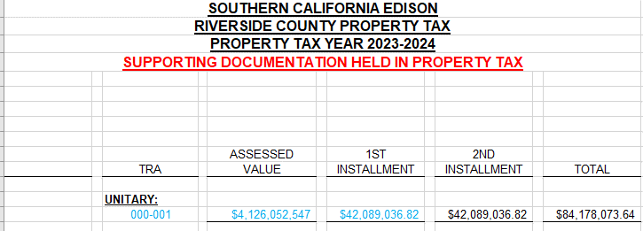
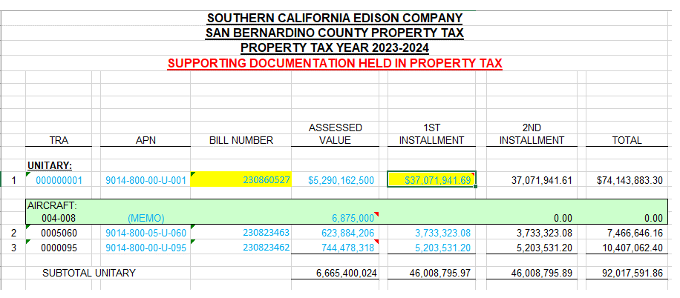
Workpaper Showing Property Taxes Paid by SCE for West of Devers Capability Rights

County | Bill Amounts Received |  | Comments
Riverside (April payment) | 3,100,306 |  | Line 14 below. The April 1, 2023 payment was the 2nd installment for 2021 property assessments.
Riverside (Dec payment) | 2,889,585 |  | Line 45 below. The December 1, 2023 payment was the 1st installment for 2022 property assessments.
San Bernardino (April payment) | 580,624 |  | Line 28 below. The April 1, 2023 payment was the 2nd installment for 2021 property assessments.
San Bernardino (Dec Payment) | 512,728 |  | Line 62 below. The December 1, 2023 payment was the 1st installment for 2022 property assessments.

Total Property Tax Payments | 7,083,243 |  | Sum of above

2021 Property assessments:

Morongo Property Tax Calculations (By County)

Riverside:
Line | Morongo LLC Investment %
1 | Morongo Transmission LLC investment in West of Devers Transmission Lines portion of West of Devers Upgrade | 400,000,000.00 | 62.859%
2 | Total Value of West of Devers Transmission Line portion of West of Devers Upgrade | 636,347,552.90

 | Transmission Line %:
3 | Transmission Lines Riverside County (miles) | 145.00 | 79.2%
4 | Circuit length of transmission lines (miles) | 183.00

 | Tax Rate:
5 | Property Tax | 86,316,458.00 | 1.956400%
6 | Unitary & Nonunitary Assessed Value | 4,412,004,923.00

 | Riverside Property Tax for Morongo investment Calculation:
7 | Total Value of West of Devers Transmission Line portion of West of Devers Upgrade |  | 636,347,552.90
8 | Morongo Transmission LLC investment % |  | 62.859%
9 | Morongo Transmission LLC investment in West of Devers |  | 400,000,000.00
10 | Riverside Transmission Line % |  | 79.2%
11 | Morongo investment in Riverside |  | 316,939,890.71
12 | Riverside Tax Rate |  | 1.956400%
13 | Riverside Property Tax for Morongo investment |  | 6,200,611.57
14 | Riverside Property Tax for Morongo investment installment amount |  | 3,100,305.78

San Bernardino:

 | Morongo LLC Investment %
15 | Morongo Transmission LLC investment in West of Devers Transmission Lines portion of West of Devers Upgrade | 400,000,000.00 | 62.859%
16 | Total Value of West of Devers Transmission Line portion of West of Devers Upgrade | 636,347,552.90

 | Transmission Line %:
17 | Transmission lines San Bernardino County (miles) | 38.00 | 20.8%
18 | Circuit length of transmission lines (miles) | 183.00

 | Tax Rate:
19 | Property Tax | 86,507,132.00 | 1.398081%
20 | Unitary & Nonunitary Assessed Value | 6,187,562,318.00

 | San Bernardino Property Tax for Morongo investment Calculation:
21 | Total Value of West of Devers Transmission Line portion of West of Devers Upgrade |  | 636,347,552.90
22 | Morongo Transmission LLC investment % |  | 62.859%
23 | Morongo Transmission LLC investment in West of Devers |  | 400,000,000.00
24 | San Bernardino Transmission Line % |  | 20.8%
25 | Morongo investment in San Bernardino |  | 83,060,109.29
26 | San Bernardino Tax Rate |  | 1.398%
27 | San Bernardino Property Tax for Morongo investment |  | 1,161,247.59
28 | San Bernardino Property Tax for Morongo investment installment amount |  | 580,623.80
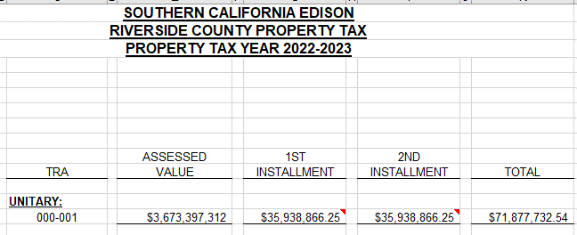

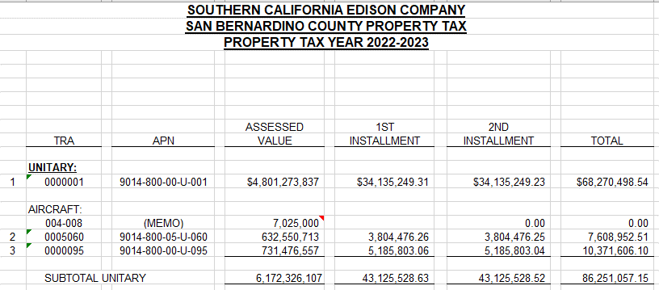

2022 Property assessments:

Morongo Property Tax Calculations (By County)

Riverside:
Line | Morongo LLC Investment %
29 | Morongo Transmission LLC investment in West of Devers Transmission Lines portion of West of Devers Upgrade | 400,000,000.00 | 62.960%
30 | Total Value of West of Devers Transmission Line portion of West of Devers Upgrade | 635,323,922.76

 | Transmission Line %:
31 | Transmission Lines Riverside County (miles) | 145.00 | 79.2%
32 | Circuit length of transmission lines (miles) | 183.00

 | Tax Rate:
33 | Property Tax | 101,685,535.46 | 2.039854%
34 | Unitary & Nonunitary Assessed Value | 4,984,941,115.00

 | Property Tax Base:
35 | Morongo Plant | 400,000,000.00
36 | Less: Reserve | (18,886,802.00)
37 | Property Tax Base | 381,113,198.00

 | Riverside Property Tax for Morongo investment Calculation:
38 | Morongo Transmission LLC investment in West of Devers |  | 381,113,198.00
39 | Riverside Transmission Line % |  | 79.235%
40 | Morongo investment in Riverside |  | 301,974,938.31
41 | Assessed Value % (AV%) |  | 93.82%
42 | Morongo investment in Riverside with AV% applied |  | 283,312,887.12
43 | Riverside Tax Rate |  | 2.039854%
44 | Riverside Property Tax for Morongo investment |  | 5,779,170.10
45 | Riverside Property Tax for Morongo investment installment amount |  | 2,889,585.05

San Bernardino:

 | Morongo LLC Investment %
46 | Morongo Transmission LLC investment in West of Devers Transmission Lines portion of West of Devers Upgrade | 400,000,000.00 | 62.960%
47 | Total Value of West of Devers Transmission Line portion of West of Devers Upgrade | 635,323,922.76

 | Transmission Line %:
48 | Transmission lines San Bernardino County (miles) | 38.00 | 20.8%
49 | Circuit length of transmission lines (miles) | 183.00

 | Tax Rate:
50 | Property Tax | 92,322,290.11 | 1.381132%
51 | Unitary & Nonunitary Assessed Value | 6,684,538,220.00

 | Property Tax Base:
52 | Morongo Plant | 400,000,000.00
53 | Less: Reserve | (18,886,802.00)
54 | Property Tax Base | 381,113,198.00

 | San Bernardino Property Tax for Morongo investment Calculation:
55 | Morongo Transmission LLC investment in West of Devers |  | 381,113,198.00
56 | San Bernardino Transmission Line % |  | 20.8%
57 | Morongo investment in San Bernardino |  | 79,138,259.69
58 | Assessed Value % (AV%) |  | 93.82%
59 | Morongo investment in San Bernardino with AV% applied |  | 74,247,515.24
60 | San Bernardino Tax Rate |  | 1.381%
61 | San Bernardino Property Tax for Morongo investment |  | 1,025,456.12
62 | San Bernardino Property Tax for Morongo investment installment amount |  | 512,728.06

