WP-Cost Adjustment
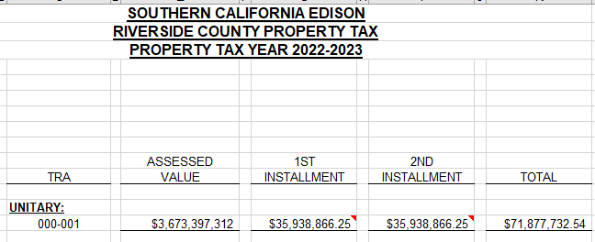
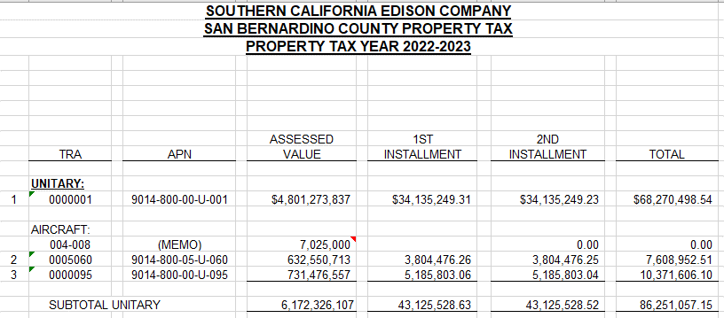
Workpaper Showing Cost Adjustment Amount

 | Item | Amount | Calculation

 | 1) Additional Expense Component
 | Expense in the Prior Year Not Expected In the Rate Year | -$773,956 | Line 16 below

 | 2) Morongo Property Taxes
 | Expense not in Prior Year, but expected in the Rate Year
 | Riverside County Property Tax Installment | $3,100,306 | Line 30 below
 | San Bernardino County Property Tax Installment | $580,624 | Line 44 below
 |  | $3,680,930

 | Total Cost Adjustment | $2,906,973

Additional Expense Component: 2022 Wildfire Reserve Adjustment

Line
1 | 1) Direct Impact through A&G Expense: See Note 1
2 |  | Amount | Calculation
3 | A&G Expense Accrual | $1,296,000,000
4 | Morongo WOD Labor AF | 0.05905% | 9-Allocators, Line 49
5 | Direct A&G Impact | $765,336 | Line 3 * Line 4
6
7 | 2) Cash Working Capital Impact: See Note 2
8 |  | Amount | Calculation
9 | Direct A&G Impact | $765,336 | Line 5
10 | Impact on Cash Working Capital | $95,667 | Line 9 * 1/8
11 | Capital Carrying Charge | 9.011% | 9-Allocators, Line 59
12 | Cash Working Capital Impact | $8,620 | Line 10* Line 11
13 | 4) Calculation of the Cost Adjustment: See Note 3
14 |  | Amount | Calculation
15 | Total Impact on the Prior Year Cost of the 2022 Wildfire Reserve Increase | $773,956 | Line 5 + Line 12
16 | Cost Adjustment for 2024 WOD Formula Rate Annual Update | -$773,956 | Negative of Line 15

 | Notes:
 | 1. In 2022 SCE reserved an additional reserve expense related to the "Thomas/Woolsey/Montecito" events of $1.296 billion.
 | The A&G expense impact on the Prior Year Cost is the amount of the reserve times the Morongo WOD Labor Allocation Factor.
 | 2. The Cash Working Capital impact on the Prior Year Cost is calculated as 1/8 of the Direct A&G Impact times the Capital Carrying Charge.
 | 3. The Cost Adjustment is the negative of the cost impact on the Prior Year Cost for expenses incurred in the Prior Year.

Morongo Property Tax Calculations (By County)

Riverside:
Line | Morongo LLC Investment %
17 | Morongo Transmission LLC investment in West of Devers Transmission Lines portion of West of Devers Upgrade | 400,000,000.00 | 62.859%
18 | Total Value of West of Devers Transmission Line portion of West of Devers Upgrade | 636,347,552.90

 | Transmission Line %:
19 | Transmission Lines Riverside County (miles) | 145.00 | 79.2%
20 | Circuit length of transmission lines (miles) | 183.00

 | Tax Rate:
21 | Property Tax | 86,316,458.00 | 1.956400%
22 | Unitary & Nonunitary Assessed Value | 4,412,004,923.00

 | Riverside Property Tax for Morongo investment Calculation:
23 | Total Value of West of Devers Transmission Line portion of West of Devers Upgrade |  | 636,347,552.90
24 | Morongo Transmission LLC investment % |  | 62.859%
25 | Morongo Transmission LLC investment in West of Devers |  | 400,000,000.00
26 | Riverside Transmission Line % |  | 79.2%
27 | Morongo investment in Riverside |  | 316,939,890.71
28 | Riverside Tax Rate |  | 1.956400%
29 | Riverside Property Tax for Morongo investment |  | 6,200,611.57
30 | Riverside Property Tax for Morongo investment installment amount |  | 3,100,305.78 | Note 4

San Bernardino:

 | Morongo LLC Investment %
31 | Morongo Transmission LLC investment in West of Devers Transmission Lines portion of West of Devers Upgrade | 400,000,000.00 | 62.859%
32 | Total Value of West of Devers Transmission Line portion of West of Devers Upgrade | 636,347,552.90

 | Transmission Line %:
33 | Transmission lines San Bernardino County (miles) | 38.00 | 20.8%
34 | Circuit length of transmission lines (miles) | 183.00

 | Tax Rate:
35 | Property Tax | 86,507,132.00 | 1.398081%
36 | Unitary & Nonunitary Assessed Value | 6,187,562,318.00

 | San Bernardino Property Tax for Morongo investment Calculation:
37 | Total Value of West of Devers Transmission Line portion of West of Devers Upgrade |  | 636,347,552.90
38 | Morongo Transmission LLC investment % |  | 62.859%
39 | Morongo Transmission LLC investment in West of Devers |  | 400,000,000.00
40 | San Bernardino Transmission Line % |  | 20.8%
41 | Morongo investment in San Bernardino |  | 83,060,109.29
42 | San Bernardino Tax Rate |  | 1.398%
43 | San Bernardino Property Tax for Morongo investment |  | 1,161,247.59
44 | San Bernardino Property Tax for Morongo investment installment amount |  | 580,623.80 | Note 4

 | Note 4: Prior Year Costs only include one installment of Property Taxes. This Cost Adjustment adds an additional estimated installment given that in Rate Year 2024 Morongo is expected to be responsible for two installments.

